Results
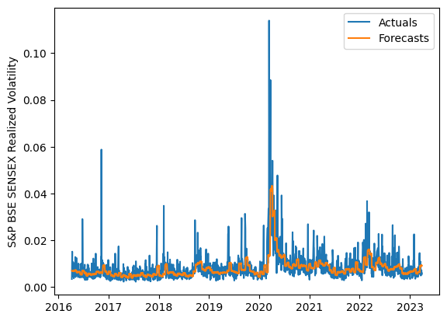
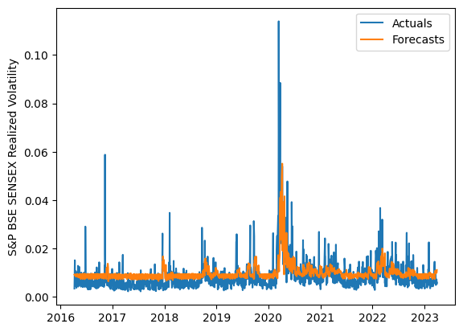
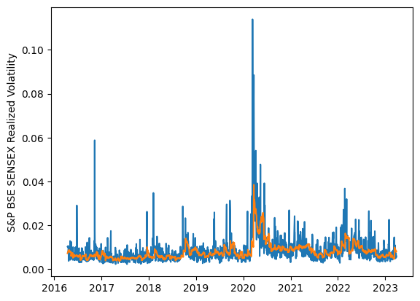
 | LSTM |  |  | TCN |  |  | NBEATSx |  |  |  |  | LSTM |  |  | TCN |  |  | NBEATSx
 | Accuracy | RMSE | Qlike | Accuracy | RMSE | Qlike | Accuracy | RMSE | Qlike |  |  | Accuracy | RMSE | Qlike | Accuracy | RMSE | Qlike | Accuracy | RMSE | Qlike
Trial 1 | 61.95% | 0.30% | 9.65% | 54.87% | 0.33% | 12.42% | 68.94% | 0.28% | 10.23% |  | Mean | 64.94% | 0.290% | 0.088 | 50.06% | 0.349% | 0.144 | 68.60% | 0.283% | 0.104
Trial 2 | 63.35% | 0.30% | 9.33% | 45.54% | 0.37% | 16.09% | 69.37% | 0.28% | 10.61% |  | Standard Deviation | 2.75% | 0.008% | 0.008 | 3.24% | 0.014% | 0.013 | 0.49% | 0.002% | 0.002
Trial 3 | 67.30% | 0.28% | 8.18% | 47.15% | 0.36% | 15.45% | 68.49% | 0.28% | 10.44% |  | 95% CI upper bound | 70.44% | 0.307% | 0.104 | 56.53% | 0.378% | 0.169 | 69.58% | 0.288% | 0.108
Trial 4 | 64.99% | 0.29% | 8.78% | 54.65% | 0.33% | 12.44% | 68.81% | 0.28% | 10.31% |  | 95% CI lower bound | 59.45% | 0.273% | 0.073 | 43.59% | 0.320% | 0.118 | 67.61% | 0.279% | 0.101
Trial 5 | 68.53% | 0.28% | 7.91% | 52.58% | 0.34% | 13.30% | 67.98% | 0.29% | 10.51% |  | 99.7% CI upper bound | 73.19% | 0.315% | 0.111 | 59.77% | 0.392% | 0.182 | 70.08% | 0.290% | 0.110
Trial 6 | 59.49% | 0.31% | 10.46% | 47.21% | 0.36% | 15.59% | 68.61% | 0.28% | 10.43% |  | 99.7% CI lower bound | 56.70% | 0.265% | 0.065 | 40.36% | 0.305% | 0.106 | 67.12% | 0.277% | 0.099
Trial 7 | 68.57% | 0.28% | 7.91% | 51.15% | 0.34% | 13.95% | 67.95% | 0.29% | 10.48%
Trial 8 | 62.78% | 0.30% | 9.48% | 45.93% | 0.37% | 15.86% | 69.03% | 0.28% | 10.35%
Trial 9 | 66.14% | 0.28% | 8.41% | 51.42% | 0.34% | 13.99% | 68.77% | 0.28% | 10.39%
Trial 10 | 64.65% | 0.29% | 8.87% | 52.02% | 0.34% | 13.55% | 68.06% | 0.29% | 10.70%
Trial 11 | 66.38% | 0.28% | 8.37% | 45.74% | 0.37% | 16.06% | 68.94% | 0.28% | 10.79%
Trial 12 | 66.63% | 0.28% | 8.37% | 51.11% | 0.34% | 14.04% | 68.85% | 0.28% | 10.23%
Trial 13 | 62.77% | 0.30% | 9.47% | 50.76% | 0.35% | 14.22% | 69.06% | 0.28% | 10.37%
Trial 14 | 62.41% | 0.29% | 9.51% | 53.08% | 0.33% | 13.25% | 68.45% | 0.29% | 10.36%
Trial 15 | 68.19% | 0.28% | 8.04% | 47.71% | 0.36% | 15.32% | 67.65% | 0.28% | 10.11%

 | LSTM (best trial) |  |  |  |  |  |  |  |  | TCN (best trial) |  |  |  |  |  |  |  |  | NBEATSx (best trial)

